Sheet1
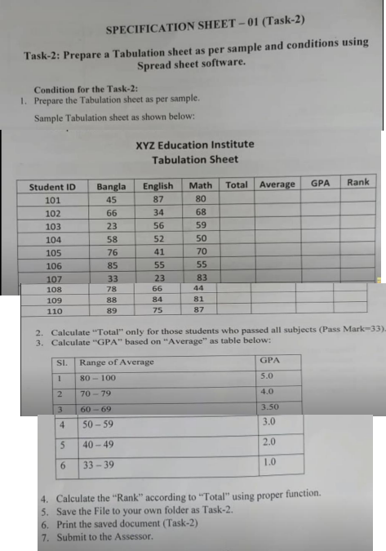
XYZ Education Institute Tabulation Sheet

Student ID | Bangla | English | Math | Average | GPA | Rank
109 | 88 | 84 | 81 | 84.33 | 5.00 | 1
110 | 89 | 75 | 87 | 83.67 | 5.00 | 2
101 | 45 | 87 | 80 | 70.67 | 4.00 | 3
106 | 85 | 55 | 55 | 65.00 | 3.50 | 4
108 | 78 | 66 | 44 | 62.67 | 3.50 | 5
105 | 76 | 41 | 70 | 62.33 | 3.50 | 6
102 | 66 | 34 | 68 | 56.00 | 3.00 | 7
104 | 58 | 52 | 50 | 53.33 | 3.00 | 8
107 | 33 | 23 | 83 | 46.33 | 2.00 | 9
103 | 23 | 56 | 59 | 46.00 | 2.00 | 10

